Sheet1
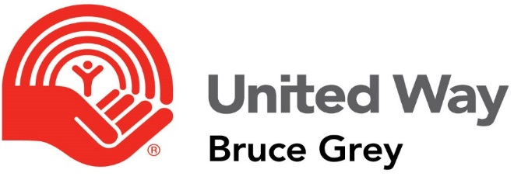 | Agency Name:
Revenue | Budget | In-kind | Program A | Program B | Program C | Program D
Government-Federal
Government-Provincial Transfer Payments
Government-Provincial Funding
Government-Municipal
Trillium Foundation
Rental Income
Investment Income
Membership/User Fees
Consulting Fees
Donations-Corporate Gifts
Donations-Individual Gifts
Donations-Service Clubs
Donations-Charity Funds
Nevada Ticket Sales
BINGOs
Raffles
Special Events (itemize major events line by line)
Other United Ways
Transfers from Reserves
Recovered Bank Fees
GST Rebates
Other (describe)
Anticipated Donor Choice Designations
United Way Community Fund Allocation
TOTAL Revenue | 0 | 0 | 0 | 0 | 0 | 0

 | Agency Name:
Expenditures | Budget | In-kind | Program A | Program B | Program C | Program D
Salaries-Professional
Salaries-Clerical
Employee Benefits
Consulting Fees
Service Provision Contracts
Travel and Mileage
Equipment Leases
Telephone/Fax/Internet/Cell Phone
Office/Computer Supplies
Postage and Delivery
Marketing and Promotion
Rent/Mortgage Payments
Utilities
Maintenance and Cleaning
Insurance-D&O
Insurance-Office Contents
Printing and Photocopying
Volunteer Honorarium
Volunteer/Donor Recognition
Volunteer Expense Reimbursement
Recruitment Fees
Professional Development
Accruals ($ set aside for Capital Expenditures)
Bank Charges
Resources/Memberships
Audit/Legal/Professional Fees
Other (please describe below)
TOTAL Expenditures | 0 | 0 | 0 | 0 | 0 | 0

